PT. SUPARMA JAYA TBK (Tissue)
DATE | INV NO. | DESCRIPTIONS | AMOUNT | BILLS | PRICE | TOTAL
5-Jan-2026 | SO05LC2601000210/00 | SEE-U HTM DE/ ECONO RED / 20 PK FSC MIX 85% / SUHT-046NN | 80 | 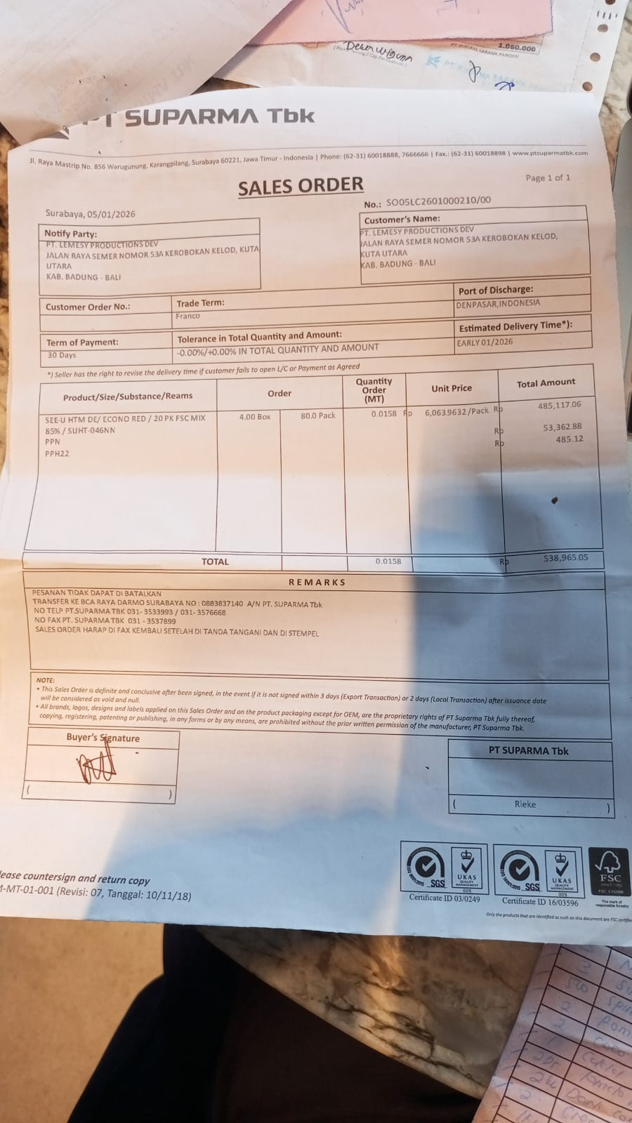 | IDR 6,064 | 485,117

 | SALES PRICE |  |  |  |  | Rp485,117
 | PPN |  |  |  |  | Rp53,363
 | PPh 22 |  |  |  |  | Rp485.12
 | TOTAL |  |  |  |  | Rp538,965
14-Jan-2026 | SO05LC2601001612/00 | SEE-U HTM DE/ ECONO RED / 20 PK FSC MIX 85% / SUHT-046NN | 100 | 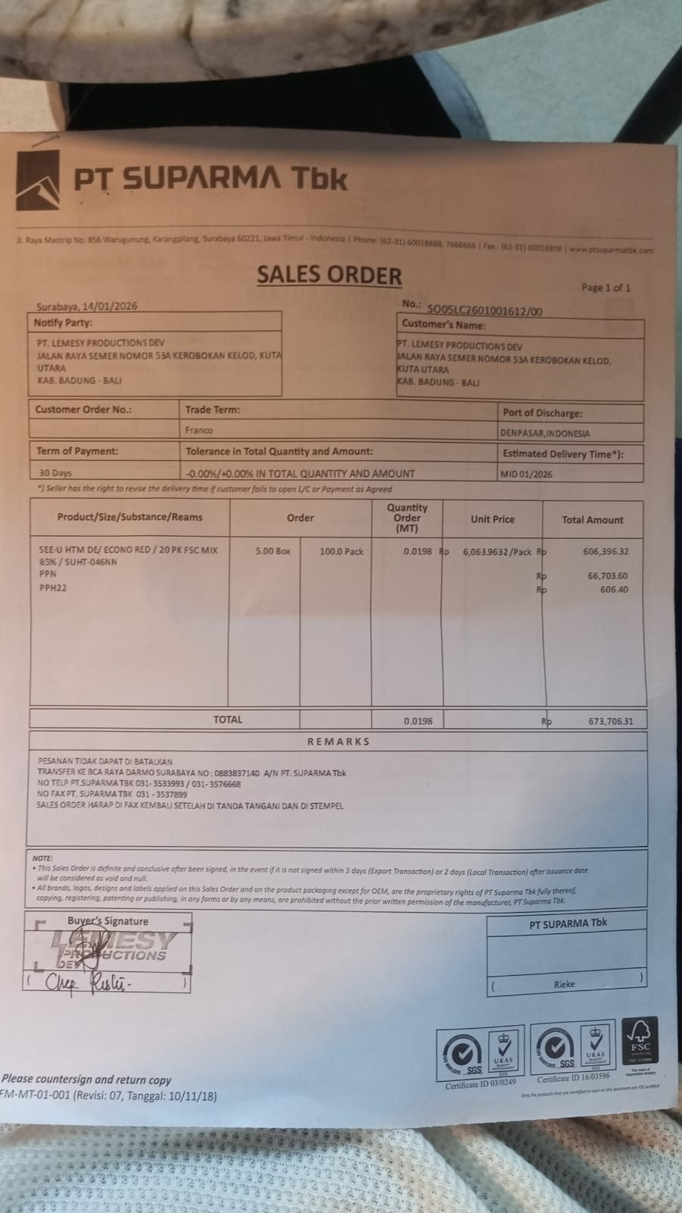 | IDR 6,063,964 | 606,396,396

 | SALES PRICE |  |  |  |  | Rp606,396,396
 | PPN |  |  |  |  | Rp66,703,604
 | PPh 22 |  |  |  |  | Rp606.40
 | TOTAL |  |  |  |  | Rp673,706
GRAND TOTAL |  |  |  | Rp1,212,671

